Problem 1
Aggressive strategy (Maximax) |  |  |  |  |  |  |  | Conservative strategy (Maximin)

Take maximum possible payoff for each alternative. Then select the alternative which shows the maximum of payoff out of these maxima. |  |  |  |  |  |  |  | Take minimum possible payoff for each alternative. Then select the alternative which shows the maximum of payoff out of these minima.

a) |  | Payoff matrix | States of nature |  |  | Max | b) | Payoff matrix | States of nature |  |  | Min
 |  | Alternatives | No accident | minor accident | major accidnet | payoff |  | Alternatives | No accident | minor accident | major accidnet | payoff
 |  | Take insurance | -100 | -100 | -100 | -100 |  | Take insurance | -100 | -100 | -100 | -100
 |  | Don't take insurance | 0 | -3,500 | -16000 | 0 |  | Don't take insurance | 0 | -3,500 | -16000 | -16000

 |  | payoffs have been written as negative of costs.

 |  | based on the aggressive strategy, the best decision is to not to buy the insurance. |  |  |  |  |  | based on the conservative strategy, the best decision is to buy the insurance

 | Opportunity-loss strategy (Minimax Regret)
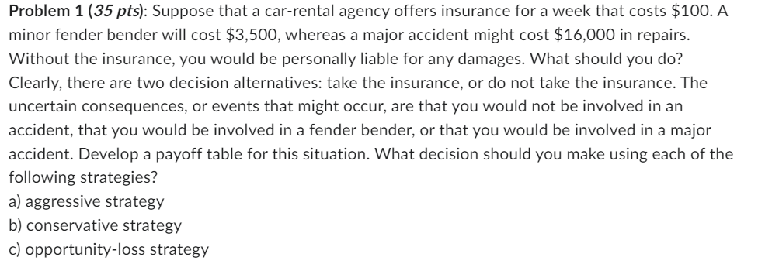
 | First, develop the regret matrix by subtracting each payoff from the corresponding column maxima
c)

 | Regret matrix | States of nature
 | Alternatives | No accident | minor accident | major accidnet
 | Take insurance | 100 | 0 | 0
 | Don't take insurance | 0 | 3,400 | 15900

 | Then take maximum possible regrets for each alternative and select the alternative which shows the minimum of regrets out of these maxima.

 | Regret matrix | States of nature |  |  | Max
 | Alternatives | No accident | minor accident | major accidnet | regret
 | Take insurance | 100 | 0 | 0 | 100
 | Don't take insurance | 0 | 3,400 | 15900 | 15900

 |  | based on the opportunity-loss strategy, the best decision is to buy the insurance.

Problem 2
DoorCo
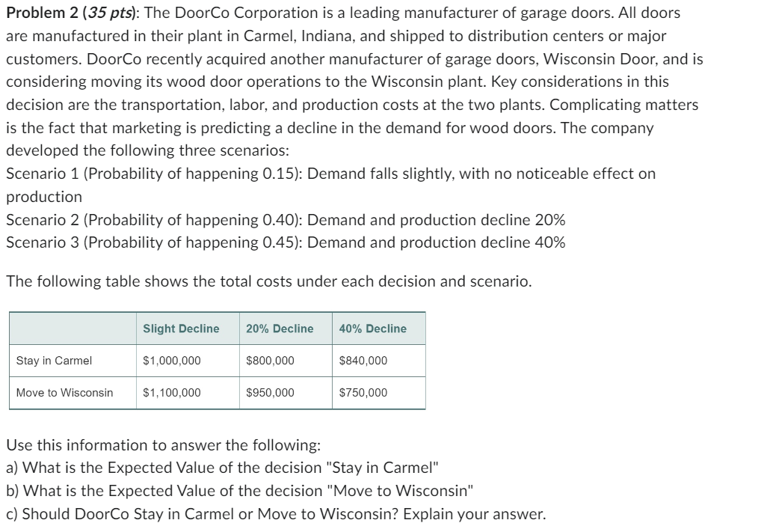
 | Decision | Slight Decline | 20% Decline | 40% Decline | Expected Payoff
 | Stay in Carmel | 1,000,000 | 800,000 | 840,000 | 848000
 | Move to Wisconsin | 1,100,000 | 950,000 | 750,000 | 882500

 | a) | The expected value of the decision to stay in Carmel is 848,000
 | b) | The expected value of the decision to stay in Wisconsin is 882,500
 | c) | The expected value of move to Wisconsin is higher, therefore DoorCo should move to Wisconsin

